Sheet1
c

1 Week |  |  |  |  | Week 1 Observations:
Control DO2: |  | 7.2ppm |  |  | semi-hypoxia has less cloudy water than fully hypoxia tank.
Semi-hypoxic DO2: |  | 3.9ppm
FullyHypoxic DO2: |  | 3.6ppm |  | Resazurin
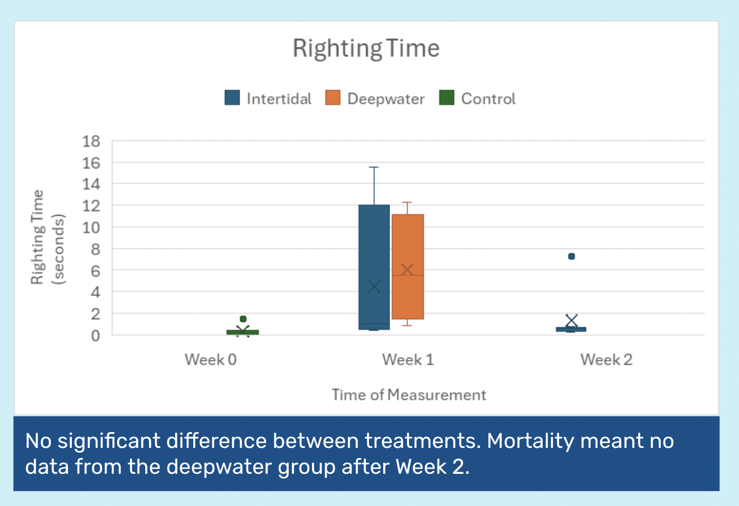
Self-Righting (seconds) |  |  |  |  | Semi-hypoxic | Row C
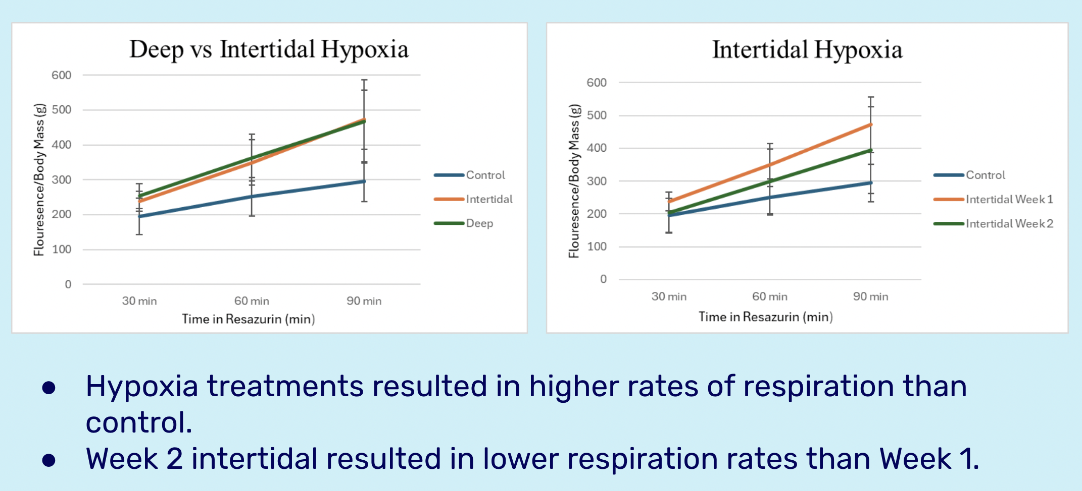
Crab Individual | Semi-hypoxic |  |  | Crab Individual | Weight (g) | 30 min | 60 min | 90 min
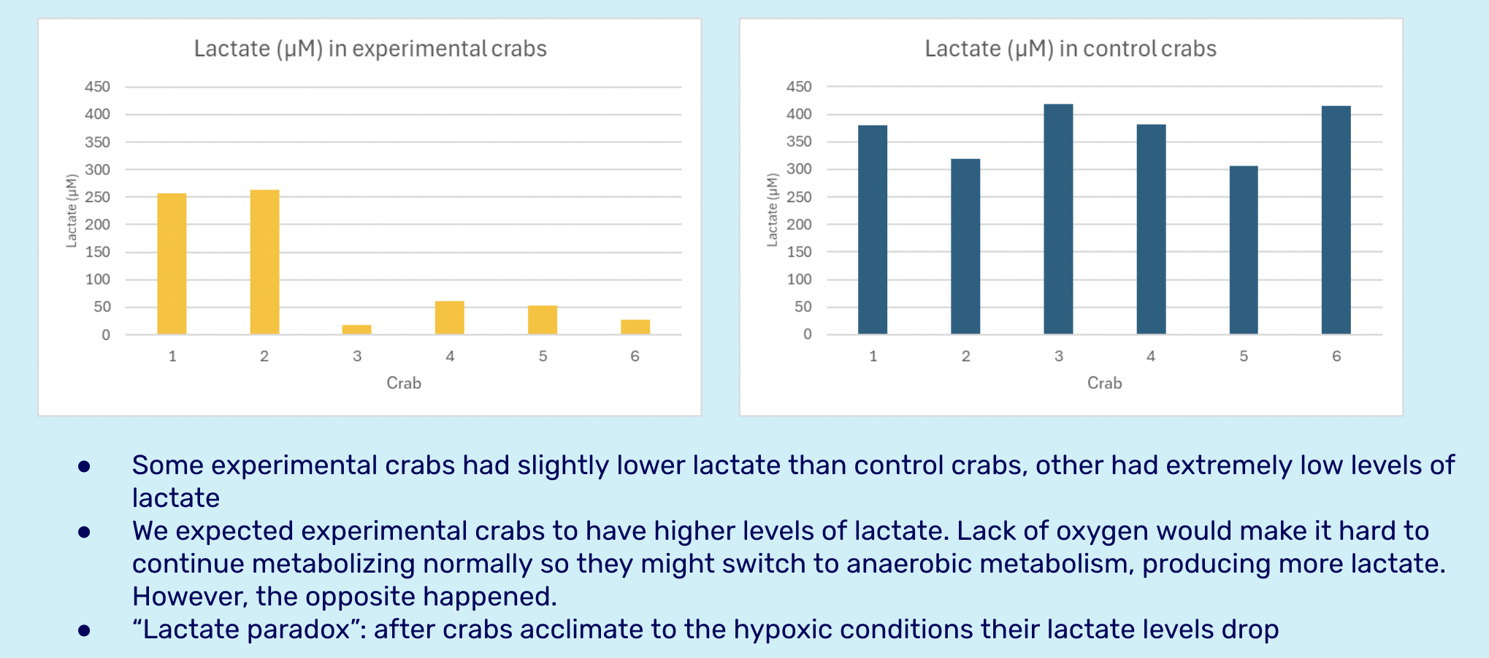
5 | 15.54 |  | C1,5,9 | 5 | 2.1 | 466 | 591 | 912
6 | 0.40 |  | C2,6,10 | 6 | 1.5 | 364 | 548 | 700
7 | 0.75 |  | C3,7,11 | 7 | 2.2 | 466 | 699 | 873
8 | 1.33 |  | C4,8,12 | 8 | 2.2 | 607 | 950 | 1302
Crab Individual | Fully Hypoxic
1 | 12.3 |  |  |  | Fully Hypoxic | Row D
2 | 3.33 |  |  | Crab Individual | Weight (g) | 30 min | 60 min | 90 min
3 | 7.70 |  | D1,5,9 | 1 | 1.4 | 425 | 628 | 829
4 | 0.90 |  | D2,6,10 | 2 | 2.3 | 523 | 795 | 969
 |  |  | D3,7,11 | 3 | 2.6 | 596 | 965 | 1381
 |  |  | D4,8,12 | 4 | 1.1 | 280 | 316 | 354

2 Weeks |  |  |  |  | Week 2 Observations:
Control DO2: |  | 6.7ppm |  |  | Fuly hypoxic tank is very cloudy; all dead, semi-hypoxic still clear; 1 dead unable to extract hemolymph/gill tissue (too deteriorated)
Semi-hypoxic DO2: |  | 3.2ppm |  |  | Crabs in semi-hypoxic tank are crowding at surface; nail polish deteriorated, some illegible
FullyHypoxic DO2: |  | 3.4ppm
Self-Righting (seconds) |  |  |  | Resazurin |  |  |  |  |  | Hemolymph |  |  |  |  | Gill Tissue
Crab Individual | Semi-hypoxic |  |  |  | Semi-hypoxic | Row C |  |  |  | Semi-hypoxic | Lactate |  |  |  | Semi-hypoxic | Gill tissue quality
[1] | 0.43 |  |  | Crab Individual | Weight (g) | 30 min | 60 min | 90 min | crab individual | [1] | 257.055494 |  |  | crab individual | [1] | Bad
[2] | 0.58 |  | C1,9; D5 | [1] | 4.1 | 364 | 486 | 616 |  | [2] | 263.212264 | 263.749432 | 263.480848 |  | [2] | Bad
[3] | 0.63 |  | C2,10; D6 | [2] | 2.1 | 496 | 773 | 952 |  | [3] | 17.3959754 |  |  |  | [3] | Bad
[4] | 0.76 |  | C3, 11; D7 | [3] | 2.5 | 727 | 1101 | 1479 |  | [4] |  |  |  |  | [4] | Pink
5 | 7.28 |  | C4, 12; D8 | [4] | 2.4 | 537 | 807 | 1104 |  | 5 | 60.4107268 |  |  |  | 5 | Partial | *lost track of 5
[6] | 0.55 |  | C5; D1, 9 | 5 | 2.2 | 369 | 566 | 757 |  | [6] | 52.6011322 |  |  |  | [6] | Bad
7 | 0.25 |  | C6; D2, 10 | [6] | 1.7 | 444 | 607 | 815 |  | 7 | 130.325193 |  |  |  | 7 | Partial | *lost track of 7
[8] | 0.29 |  | C7; D3, 11 | 7 | 2.2 | 405 | 584 | 783 |  | [8] |  |  |  |  | [8] | Partial
[9] | DECEASED |  | C8; D4, 12 | [8] | 2.2 | 365 | 539 | 708 |  | [9] | DECEASED |  |  |  | [9] | DECEASED |  |  | Intertidal |  | Deepwater
 |  |  |  | [9] | DECEASED |  |  |  |  |  |  |  |  |  |  |  |  | Good | 0% | Good | 0%
Crab Individual | Fully Hypoxic |  |  |  |  |  |  |  |  | Hypoxic | Glucose | Triglyceride |  |  | Hypoxic | Gill tissue quality |  | Bad | 44.44% | Bad | 88.89%
ALL DECEASED |  |  |  |  | Fully Hypoxic | Row D |  |  | crab individual | [1] | No Extraction |  |  | crab individual | [1] | Bad |  | Partial | 33.33% | Partial | 11.11%
 |  |  |  | Crab Individual | Weight (g) | 30 min | 60 min | 90 min |  | 2 |  |  |  |  | 2 | Bad |  | Pink | 11.11% | Pink | 0%
 |  |  |  | ALL DECEASED |  |  |  |  |  | 3 |  |  |  |  | 3 | Bad |  | Unusable | 11.11% | Unusable | 0%
 |  |  |  |  |  |  |  |  |  | 4 |  |  |  |  | 4 | Partial
 |  |  |  |  |  |  |  |  |  | [5] |  |  |  |  | [5] | Bad |  | Gill Tissue Key
 |  |  |  |  |  |  |  |  |  | [6] |  |  |  |  | [6] | Bad (one side worse than the other) *have photo |  | Good | Yellow, orange-ish color
 |  |  |  |  |  |  |  |  |  | [7] |  |  |  |  | [7] | Bad (pregnant one) |  | Bad | Grey, dark, atrophy
Controls |  |  |  |  |  |  |  |  |  | [8] |  |  |  |  | [8] | Bad |  | Partial | Grey with some yellow
C1 | 0.1 |  |  |  |  |  |  |  |  | [9] |  |  |  |  | [9] | Bad |  | Pink | Pink-ish possibly from resazurin
C2 | 0.1 |  |  |  |  |  |  |  |  |  |  |  |  |  |  |  |  | Unusable | Unable to dissect (crushed)
C3 | 1.48 |  |  |  |  |  |  |  |  |  |  |  |  |  | Control | Gill tissue quality
Intertidal
Deepwater
C4 | 0.1 |  |  |  |  |  |  |  |  |  |  |  |  | crab individual | C1 | Good
C5 | 0.1 |  |  |  |  |  |  |  |  |  |  |  |  |  | C2 | Good

 |  |  |  |  |  |  |  |  |  | Control | Week 2 intertidal
 |  |  |  |  |  |  |  |  |  | 27.1063179 | 263.48083
 |  |  |  |  |  |  |  |  |  | 330.854097 | 257.05549
 |  |  |  |  |  |  |  |  |  | 272.550721 | 52.601132
 |  |  |  |  |  |  |  |  |  | 206.417091 | 60.410727
 |  |  |  |  |  |  |  |  |  | 397.607537 | 17.395975
 |  |  |  |  |  |  |  |  |  | 351.204496 | 130.32519
 |  |  |  |  |  |  |  |  |  | 419.321516
 |  |  |  |  |  |  |  |  |  | 378.455436
 |  |  |  |  |  |  |  |  |  | 313.3135
 |  |  |  |  |  |  |  |  |  | Control | Week 2 intertidal
 |  |  |  |  |  |  |  |  |  | 299.6478569 | 130.2115573
 |  |  |  |  |  |  |  |  |  | 121.2705165 | 107.2128582

Sheet2
Resazurin
C | 466 | 364 | 466 | 607 | 591 | 548 | 669 | 950 | 912 | 700 | 873 | 1302
D | 425 | 523 | 596 | 280 | 628 | 795 | 965 | 316 | 829 | 969 | 1381 | 354

 | Shallow |  |  | Deep
Good | 0% |  | Good | 0%
Bad | 44.44% |  | Bad | 88.89%
Partial | 33.33% |  | Partial | 11.11%
Unusable | 22.22% |  | Pink | 0%
 |  |  | Unusable | 0%

Deep Water Hypoxia Gill Tissue
Shallow Water Hypoxia Gill Tissue

